Sheet1
MyProductTable

ProductKey | ColorName | BrandName | UnitPrice | ColorName | UnitPrice
1 | Red | Contoso | 10 | Red | 100
2 | Red | Contoso | 20 | Orange | 180
3 | Red | Contoso | 30 | Black | 170
4 | Red | Contoso | 40 | Green | 100
5 | Orange | Contoso | 50
6 | Orange | Litware | 60
7 | Orange | Litware | 70
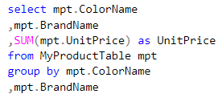
8 | Black | Litware | 80
9 | Black | Litware | 90 | ColorName | BrandName | UnitPrice
10 | Green | Litware | 100 | Red | Contoso | 100
 |  |  |  | Orange | Contoso | 50
 |  |  |  | Orange | Litware | 130
 |  |  |  | Black | Litware | 170
 |  |  |  | Green | Litware | 100

